Skills
Test Case ID | Test Scenario | Test Case Title | Pre-requisites | Test Steps | Test Data | Expected Result (ER) | Actual Result | Priority | Result | Comments | Screenshots
<< Test Scenarios
TC_SP_001 | (TS_003) Skills page | Validate Skills page functiannality from the navigation bar | 1. Open the Application URL in Browser | 1. Click on 'About' Dropmenu | Not Applicable | 1. User should be taken to the Skills page | 1. User is taken to 'skills' page sucessfully and proper details got displayed on the page | P1 | PASS
TC_SP_002 |  | Validate the Page Heading, Page URL, Page Title of 'Skills' Page | 1. Open the Application URL in Browser | 1. Click on 'About' Dropmenu | Not Applicable | 1. Proper Page Heading, Page URL and Page Title should be displayed. | Proper Page Heading, Page URL and Page Title are displayed | P2 | PASS
TC_SP_003 |  | Validate the UI of the Skills option | 1. Open the Application URL in Browser | 1. Click on 'About' Dropmenu | Not Applicable | 1. Proper and good UI should be displayed on the 'Skills' page. | An empty space appears near the LARAVEL icon in 'skills' page | P3 | Fail | BUG_1 | 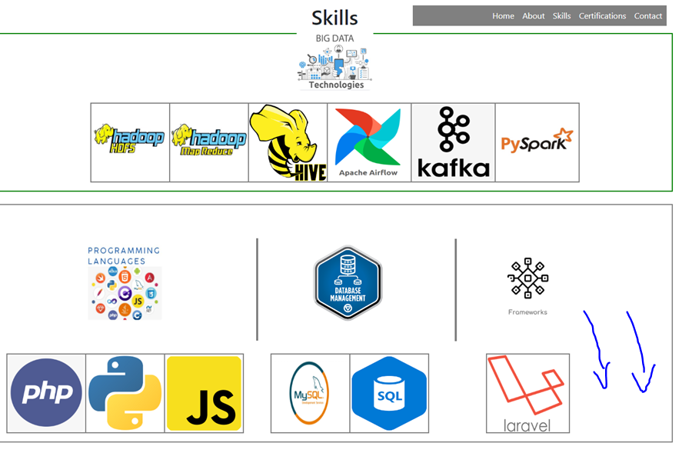
TC_SP_004 |  | Validate 'Skills' functionality in all the supported environments | 1. Open the Application URL in Browser | 1. Click on 'About' Dropmenu | Not Applicable | 1.'Skills' functionality should work in all the supported environments | skills' functionality is working in all the supported environments | P2 | PASS
TC_SP_005 |  | Verify the nav bar still appear in "Skills" page | 1. Open the Application URL in Browser | 1. Click on 'About' Dropmenu | Not Applicable | 1.Navigation bar should be displayed. | The Navigation bar is displayed in "Skills page" | P3 | PASS

Automation Testing
Test Case ID | Test Scenario | Test Case Title | Pre-requisites | Test Steps | Test Data | Expected Result (ER) | Actual Result | Priority | Result | Comments | Screenshots
TC_SP_AUTO_01 | (TS_003) Skills page | Verify the nav bar still appear in "Skills" page | 1. Open the Application URL in Browser | 1. Click on 'About' Dropmenu | Not Applicable | 1.Navigation bar should be displayed. | The Navigation bar is displayed in "Skills page" | P3 | PASS

